Sheet1
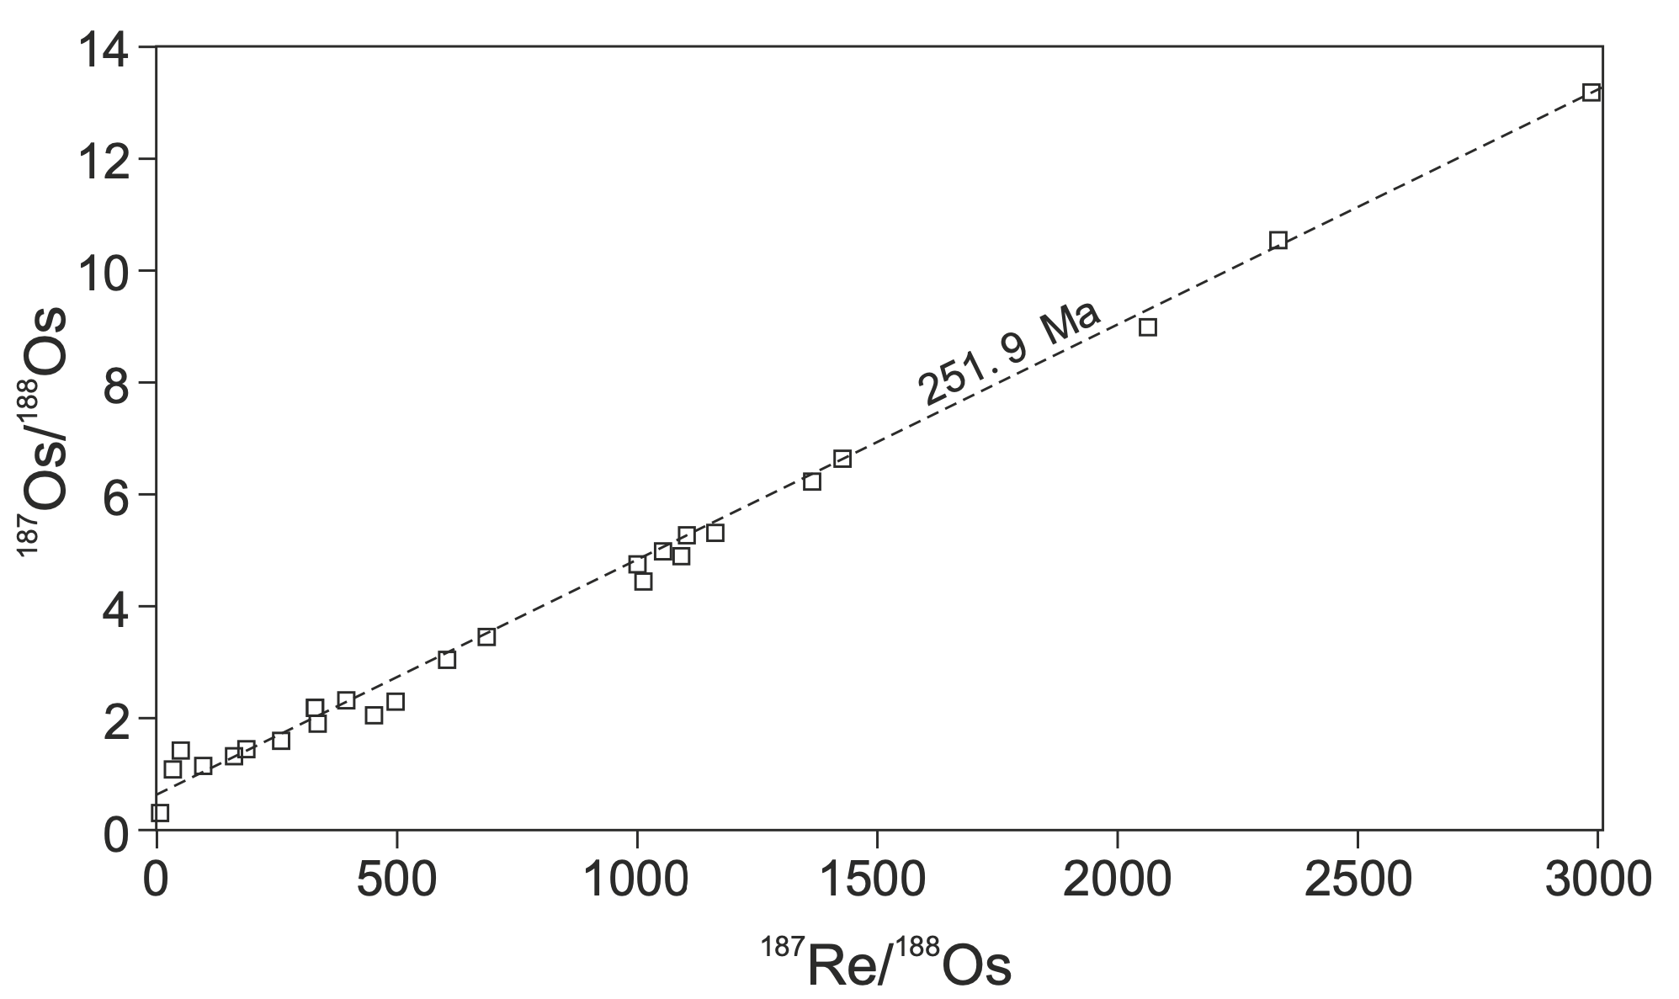
Table S1. Re-Os data.

Age (Ma)a | depth (m) | Re (ppb) | ± | Os (ppt) | ± | 192Os (ppt) | ± | 187Re/188Os | ± | 187Os/188Os | ± | rho | % Re Blank | % 187Os Blank | % 188Os Blank | Osi | ± | bed
251.15 | 4.25 | 2.29 | 0.01 | 70.66 | 0.69 | 24.76 | 0.34 | 184.04 | 2.62 | 1.49 | 0.03 | 0.691 | 0.10 | 0.03 | 0.16 | 0.72 | 0.03 | 34
251.28 | 3.54 | 0.09 | 0.00 | 57.35 | 1.05 | 23.06 | 0.93 | 7.70 | 0.35 | 0.33 | 0.02 | 0.618 | 2.66 | 0.13 | 0.17 | 0.30 | 0.02 | 34
251.40 | 2.82 | 0.10 | 0.00 | 17.97 | 0.37 | 6.58 | 0.27 | 31.10 | 1.41 | 1.10 | 0.06 | 0.641 | 2.32 | 0.14 | 0.61 | 0.97 | 0.06 | 34
251.54 | 2.06 | 0.63 | 0.00 | 11.66 | 0.27 | 3.79 | 0.16 | 331.42 | 13.95 | 2.21 | 0.13 | 0.718 | 0.38 | 0.12 | 1.05 | 0.82 | 0.14 | 32
251.63 | 1.54 | 0.11 | 0.00 | 12.77 | 0.27 | 4.49 | 0.19 | 50.14 | 2.26 | 1.46 | 0.08 | 0.660 | 2.10 | 0.15 | 0.89 | 1.25 | 0.08 | 32
251.73 | 0.96 | 0.26 | 0.00 | 15.92 | 0.33 | 5.79 | 0.24 | 90.12 | 3.76 | 1.17 | 0.07 | 0.701 | 0.91 | 0.15 | 0.69 | 0.79 | 0.07 | 32
251.86 | 0.21 | 1.21 | 0.00 | 18.96 | 0.27 | 6.06 | 0.13 | 397.29 | 8.60 | 2.37 | 0.07 | 0.719 | 0.20 | 0.07 | 0.66 | 0.70 | 0.08 | 29
251.90 | 0.01 | 0.39 | 0.00 | 13.27 | 0.28 | 4.74 | 0.20 | 163.82 | 6.84 | 1.33 | 0.08 | 0.710 | 0.61 | 0.16 | 0.84 | 0.64 | 0.08 | 27c
 |  |  |  |  |  |  |  |  |  |  |  |  |  |  |  |  |  |  | PTB
251.90 | -0.01 | 0.67 | 0.00 | 11.84 | 0.27 | 3.96 | 0.17 | 335.89 | 14.10 | 1.93 | 0.11 | 0.717 | 0.36 | 0.13 | 1.01 | 0.52 | 0.13 | 27b
251.90 | -0.04 | 0.73 | 0.00 | 16.09 | 0.35 | 5.55 | 0.23 | 262.20 | 10.81 | 1.64 | 0.09 | 0.712 | 0.33 | 0.11 | 0.72 | 0.53 | 0.10 | 27a
 |  |  |  |  |  |  |  |  |  |  |  |  |  |  |  |  |  |  | EPME
251.91 | -0.10 | 29.61 | 0.07 | 220.20 | 1.33 | 58.18 | 0.21 | 1012.44 | 4.39 | 4.44 | 0.02 | 0.586 | 0.04 | 0.00 | 0.07 | 0.18 | 0.03 | 26
251.91 | -0.20 | 2.16 | 0.01 | 23.69 | 0.25 | 7.05 | 0.09 | 608.21 | 7.57 | 3.10 | 0.05 | 0.727 | 0.11 | 0.05 | 0.57 | 0.54 | 0.06 | 24e
251.92 | -0.30 | 30.71 | 0.07 | 415.93 | 1.98 | 136.80 | 0.48 | 446.56 | 1.91 | 2.08 | 0.01 | 0.579 | 0.04 | 0.00 | 0.03 | 0.21 | 0.01 | 24d
251.92 | -0.40 | 22.67 | 0.06 | 98.80 | 0.83 | 15.07 | 0.07 | 2993.24 | 15.47 | 13.21 | 0.08 | 0.662 | 0.05 | 0.00 | 0.26 | 0.63 | 0.10 | 24d
251.93 | -0.52 | 3.88 | 0.03 | 16.97 | 0.13 | 6.80 |  | 1106.00 | 11.00 | 5.29 | 0.01 |  |  |  |  | 0.64 | 0.05 | 24d | data from Zhao et al. (2015)
251.93 | -0.61 | 18.02 | 0.13 | 86.67 | 0.66 | 34.88 |  | 1002.00 | 10.00 | 4.79 | 0.01 |  |  |  |  | 0.58 | 0.04 | 24c
251.94 | -0.79 | 11.21 | 0.08 | 23.31 | 0.18 | 9.24 |  | 2337.00 | 24.00 | 10.55 | 0.02 |  |  |  |  | 0.72 | 0.10 | 24b
251.95 | -0.90 | 40.10 | 0.30 | 134.80 | 1.00 | 54.43 |  | 1431.00 | 14.00 | 6.67 | 0.01 |  |  |  |  | 0.65 | 0.06 | 24a
251.96 | -1.21 | 57.81 | 0.14 | 720.63 | 3.56 | 231.78 | 0.82 | 496.16 | 2.13 | 2.30 | 0.01 | 0.580 | 0.01 | 0.01 | 0.06 | 0.21 | 0.01 | 23
251.98 | -1.55 | 4.27 | 0.01 | 27.17 | 0.29 | 6.23 | 0.06 | 1363.78 | 13.98 | 6.26 | 0.08 | 0.770 | 0.06 | 0.03 | 0.64 | 0.53 | 0.10 | 23
252.04 | -2.57 | 6.17 | 0.02 | 61.92 | 0.45 | 17.81 | 0.10 | 689.66 | 4.34 | 3.46 | 0.03 | 0.669 | 0.04 | 0.02 | 0.22 | 0.56 | 0.03 | 22
252.08 | -3.33 | 2.28 | 0.01 | 16.32 | 0.23 | 4.14 | 0.07 | 1094.76 | 18.84 | 4.93 | 0.11 | 0.763 | 0.10 | 0.05 | 0.96 | 0.32 | 0.13 | 22
252.12 | -4.09 | 3.14 | 0.01 | 21.92 | 0.25 | 5.38 | 0.06 | 1160.70 | 13.65 | 5.35 | 0.08 | 0.776 | 0.08 | 0.03 | 0.74 | 0.47 | 0.10 | 21
252.20 | -5.66 | 10.35 | 0.03 | 52.24 | 0.44 | 9.99 | 0.06 | 2060.79 | 12.90 | 9.01 | 0.06 | 0.746 | 0.02 | 0.01 | 0.40 | 0.33 | 0.08 | 20
252.28 | -7.23 | 3.02 | 0.01 | 22.57 | 0.25 | 5.69 | 0.06 | 1055.87 | 12.25 | 5.02 | 0.07 | 0.766 | 0.08 | 0.03 | 0.70 | 0.57 | 0.09 | 19

a. Each sample’s age is estimated following Burgess et al. (2014), assuming a constant deposition rate between CA-TIMS U-Pb zircon dated ash beds.

